1 - quantity_age
First Registrations of used Passenger Cars in Poland, 2025 - 2026 PZPM based on data from Centralna Ewidencja Pojazdow

 | Jan | Feb | Mar | Apr | May | Jun | Jul | Aug | Sep | Oct | Nov | Dec | Total
2025 | 69,287 | 69,649 | 77,652 | 79,122 | 72,653 | 69,240 | 78,330 | 66,914 | 73,773 | 77,057 | 59,809 | 64,074 | 857,560
2026 | 57,747 | 62,265 | 76,448 | 71,813 | 66,808 | 69,378 |  |  |  |  |  |  | 404,459
%change y/y | -16.7% | -10.6% | -1.6% | -9.2% | -8.0% | 0.2% |  |  |  |  |  |  | -7.6%
First Registrations of Used PC in Poland 2025 - 2026
 | 2025 | 2026
Jan | 69287 | 57747
Feb | 69649 | 62265
Mar | 77652 | 76448
Apr | 79122 | 71813
May | 72653 | 66808
Jun | 69240 | 69378
Jul | 78330
Aug | 66914
Sep | 73773
Oct | 77057
Nov | 59809
Dec | 64074
 |  |  |  |  |  |  |  |  | Age Structure Jan-Jun 2026
 |  |  |  |  |  |  |  |  |  | Number of vehicles | Share %
 |  |  |  |  |  |  |  |  | <=4 years | 42,998 | 10.63%
 |  |  |  |  |  |  |  |  | >4 years & <=10 years | 137,414 | 33.97%
 |  |  |  |  |  |  |  |  | >10 years | 224,047 | 55.39%
 |  |  |  |  |  |  |  |  | Total | 404,459 | 100%
First Registrations of Used Vehicles in year 2026 - age structure

source: PZPM based on CEP

2 - EURO_fuel
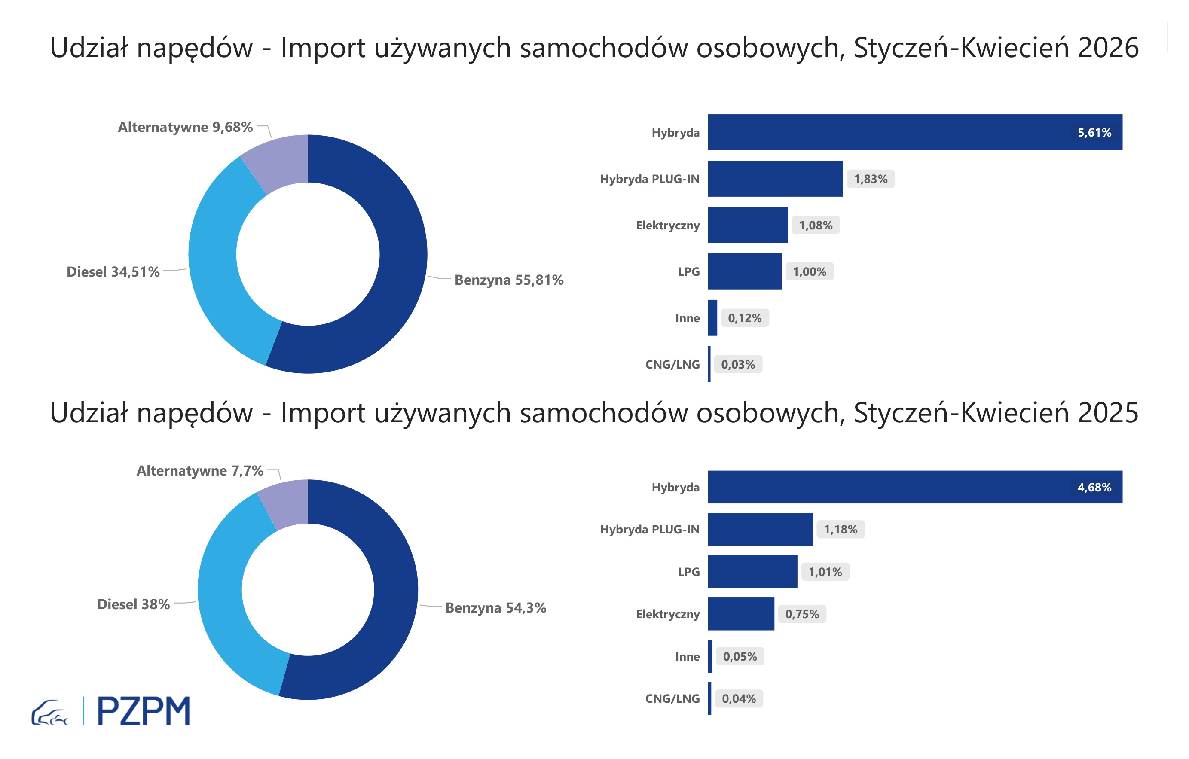

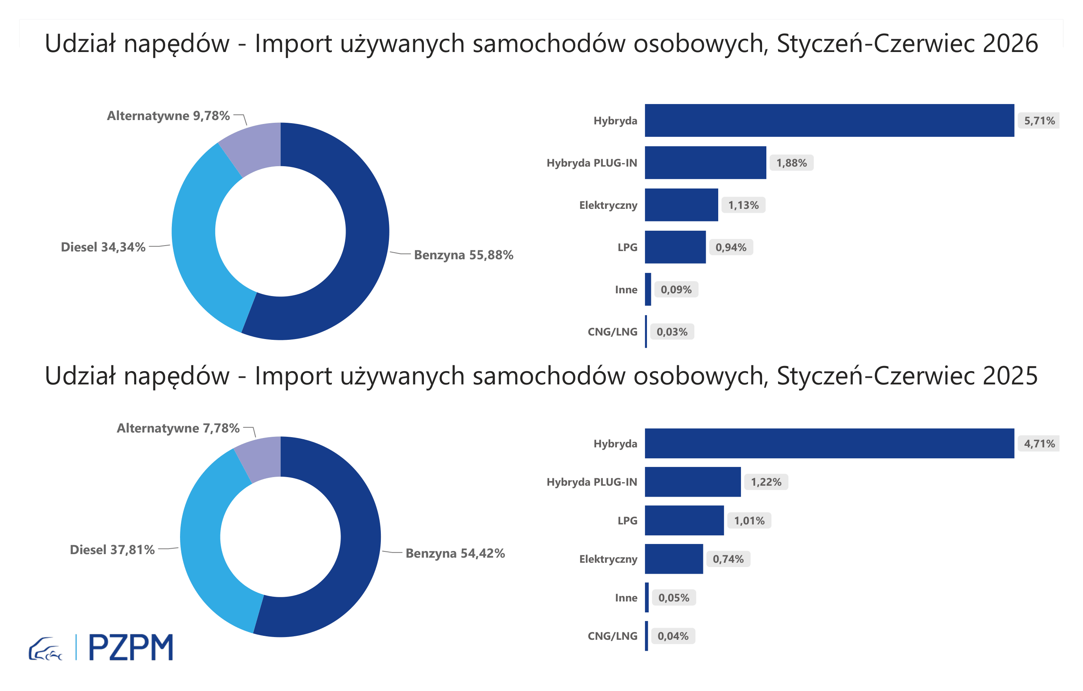
First Registrations of Used Passenger Cars by Fuel Type
Fuel Type | January-June 2025 |  | January-June 2026 |  | Volume Change y/y | Market Share Change y/y
 | thousand units | share % | thousand units | share %
Petrol | 238,1 | 54.4% | 226,0 | 55.9% | -5.1% | +1,5 pp
Diesel | 165,5 | 37.8% | 138,9 | 34.3% | -16.1% | -3,5 pp
AFV / Others | 34,0 | 7.8% | 39,6 | 9.8% | 16.3% | +2,0 pp
including:
Electric | 3.2 | 0.7% | 4.6 | 1.1% | 40.9% | +0,4 pp
Hybrid | 20.6 | 4.7% | 23.1 | 5.7% | 11.9% | +1,0 pp
Hybrid Plug-In | 5.4 | 1.2% | 7.6 | 1.9% | 41.6% | +0,7 pp
LPG | 4.4 | 1.0% | 3.8 | 0.9% | -13.6% | -0,1 pp
CNG/LNG | 0.2 | 0.0% | 0.1 | 0.0% | -26.8% | +0,0 pp
Others / N.A. | 0.2 | 0.0% | 0.4 | 0.1% | 82.4% | +0,0 pp

3 - TOP_brands
First registrations - used passenger cars imported to Poland - TOP 10 in 2026
First registrations of used passenger cars in Poland*
No.** | Make | January-June 2025 | January-June 2026 | Change % r/r
1 | VOLKSWAGEN | 41,571 | 37,483 | -9.8%
2 | FORD | 40,744 | 36,998 | -9.2%
3 | OPEL | 38,453 | 34,833 | -9.4%
4 | AUDI | 32,758 | 28,912 | -11.7%
5 | BMW | 27,370 | 25,078 | -8.4%
6 | MERCEDES-BENZ | 22,218 | 22,091 | -0.6%
7 | HYUNDAI | 20,558 | 20,365 | -0.9%
8 | PEUGEOT | 21,487 | 19,779 | -7.9%
9 | RENAULT | 19,068 | 17,379 | -8.9%
10 | KIA | 15,673 | 15,190 | -3.1%
* source: PZPM based on CEP
** based on registrations in 2026

